Trims Booking
Trims Booking
SL | Menu | Event | Story | Dependancy
 | Trims Booking | Create New (Button) | Super Admin (Can get all List)
 |  |  | Admin User (Will get Companies all Unit)
 |  |  | Specific Unit Wise Permission user will get only permitted Company
 |  |  | Search Field will be against "Budget ID and Style Name"
 |  |  | "Basis" that should be a dropdown field (Main or Short)
 |  |  | Buyer, Style(Multiple), PO ( Multiple), Material Source, Supplier will come auto by Budget Reference
 |  |  | Need a new field that is "Contrast Color"
 |  |  | " Ready to approve" & "Terms & Condition" removed from 1st step & will be in 2nd step.
 |  |  | Basis (Hardcoded Dropdown - Main, Short) Style* (Dropdown) - If Select Style then Budget Reference - Style will come auto and If Budget Multiple against Style then Multiple Budget Reference show in dropdown & can select multiple. Budget Reference* (Dropdown) - If Select Budget Reference then the style will auto-come. Main Booking ID - Multiple Select For Short Booking. Basis* (Hardcoded Dropdown - Main, Short) Buyer* (Auto From Budget Reference) Booking Label * (Hardcoded Dropdown - Style Label or PO Label) Booking Date (Calender - Current Date Auto selected auto) Source* (Hardcoded Dropdown - Abroad/Import, Epz, Non-Epz/Local, In House/Inventory) Supplier Name* (Auto From Budget Reference) Delivery Date (Calender) Inhouse Date (Calender) Pay Mode* (Hardcoded Dropdown - Credit, Import, In House, Within Group) Currency (Dropdown from Master, initially show USD) Attention (Text & Last Entry will suggest) Remarks (Text) Terms & Condition (Browse Option) Terms & Condition (Text) Add a line | Basis - If you Select Main then - Main Booking will be Generated & If you Select Short then the Main Booking will show in the list and can add Short Booking # If Select Short - then a new Field will Generate (Booking Reference) Should be against - multiple Select # For Short Booking - Until Complete the Main Booking Quantity, Short Booking Quantity doesn't enable - After completing the Full Main Booking Quantity then Short Booking will be enabled. # Validation needed in Quantity - Don't Book more than Budget Quantity. # For Short Booking - The "Short Booking Quantity" field will be added in 2nd step List.
 |  |  | 2nd phase will come automatically after putting the style or unique ID.( after clicking the save button)
 |  | Booking Details (2nd phase of Entry) | Booking Details - Buyer (From Budget Reference) Style (From Budget Reference) PO (From Budget Reference) Garments Item (From Budget Reference), Item Name (From Budget Reference) Item Description (From Budget Reference) Garments Shipment Date (From Order Reference), Item Booking Date (Calender - Current Date & Fixed), Item Delivery Date (Calender), Supplier (From Budget Reference), Work Order Quantity(Pcs), - (From Budget Reference) Required Quantity (From Budget Reference) Previous Booking Quantity (If done Partial Booking previously) Sensitivity (Hardcoded Dropdown - As per Garments Color, Contrast Color, Size Sensitive, Color & Size Sensitive) Work Order Quantity (Browse Option) Short Booking Quantity (For Short Booking - Float) UOM (From Budget Reference) Rate (From Budget Reference) Work Order Total Value (From Budget Reference) Payment Mode (From Entry), Source (From Entry), Booking By (User Name) Work Order Quantity (Browse Option) Garments Item (From Budget Reference and can be changeable) Garments Color (From Budget Reference) RMG Quantity (From Budget Reference and can be changeable) Work Order Quantity (From Budget Reference and can be changeable) Excess % (Integer) Work Order Quantity with Excess % (Work Order Quantity + Excess %) Rate (From Budget Reference and can be changeable) Amount (Work Order Quantity with Excess % x Rate) Remarks (Text) Attachment Option
 |  | List Page | Trims Booking Reference Created Date Basis Buyer, Style, PO, Garments Color, Item Color, Item Name, Item Description, Garments Shipment Date, Item Booking Date, Item Delivery Date, Supplier, Work Order Quantity(Pcs), Sensitivity, UOM, Rate, Work Order Total value, Payment Mode, Source, Approval Status, Approval Date & Time Booking By (User Name with Time and Date), Remarks
 |  | View page | 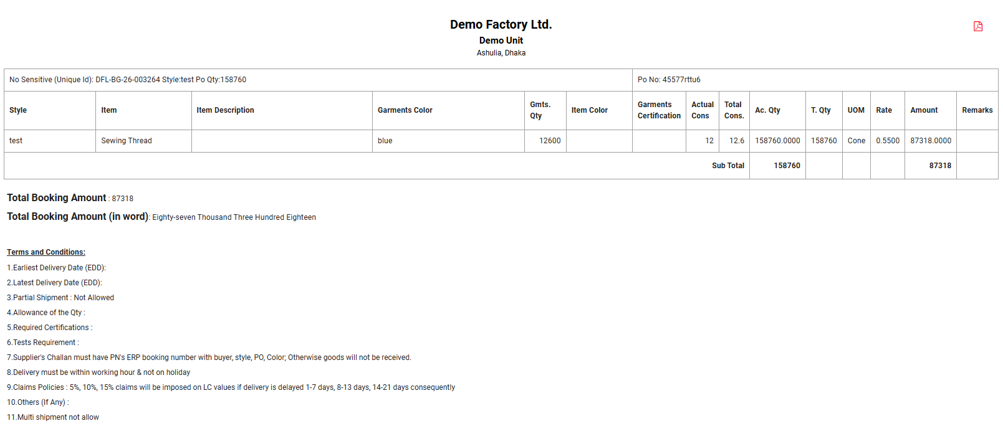

Trims Booking Approval
SL | Menu | Event | Story | Dependancy
 |  | List | SL, Buyer, Style, PO, Garments Type, Garments Color, Item Color, Garments Certification, Garments Shipments Date, Item Booking Date, Item Booking Date, Item Delivery Date, Supplier, Source (EPZ, Local, Foreign), Payment Mode, Quantity as per Quotation(Pcs), Quantity as per budget(Pcs), Quantity as per Booking(Pcs), Booking Type ( Main/Short), Unit, Rate, WO Total Value, Deviation between Quotation and WO, Requested by and Date, Approval by and Date, Approval status (Yes, No), User's Remarks, Feedback by Approval Body, Action (1st,2nd,3rd view page, Edit, Delete, other as it is).

